Page 1
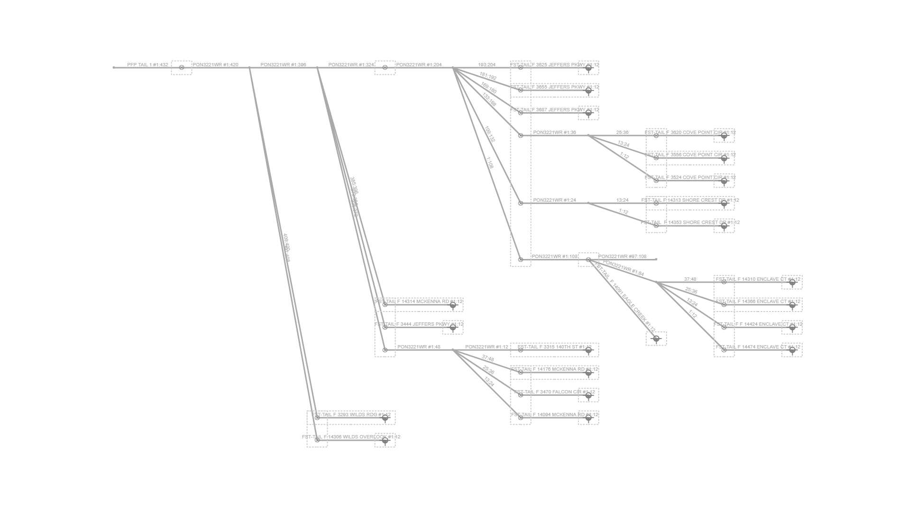
Fiber Trace Report
Cable: PFP TAIL 1 (432)
Fibers: #1:432
Design: PSA-3105PA-SHKPMNOS-CHARLIE
Date: 1/20/2025

